Workbook
$$x_{t}$$
$$a_{t}$$
$$b_{t}$$
$$s_{t}$$
$${\hat{x}}_{t}$$
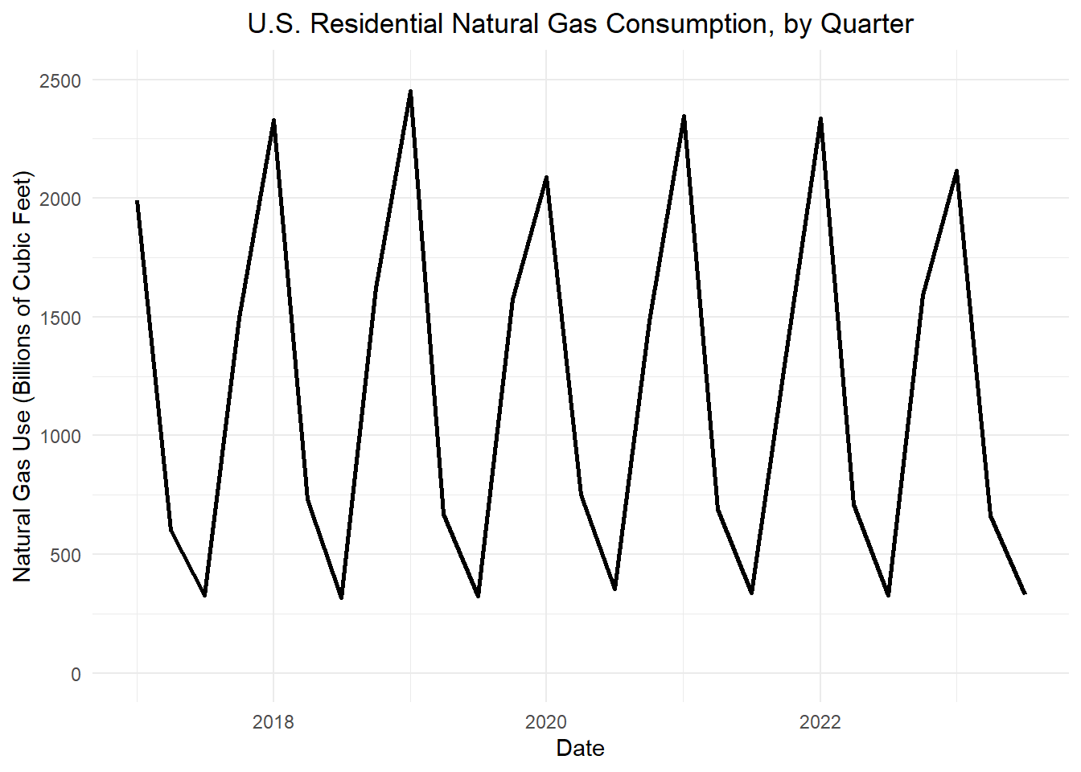
Table 1: Holt-Winters filter for the U.S. quarterly natural gas consumption (in Bcf)
Quarter | Date | t |  |  |  |  |  |  |  | Prediction Periods | 9
SP11 | 2011 May | -2 | NA | NA | NA | 1 | NA |  |  | alpha | 0.2
FA11 | 2011 Sep | -1 | NA | NA | NA | 1 | NA |  |  | beta | 0.2
WI12 | 2012 Jan | 0 | NA | NA | NA | 1 | NA |  |  | gamma | 0.2
SP12 | 2012 May | 1 | 13.7 | 13.7 | -0.022 | 1 | 13.7 |  |  | Header/Offset (p) | 3
FA12 | 2012 Sep | 2 | 16.2 | 14.182 | 0.079 | 1.03 | 14.607 | 14.68883
WI13 | 2013 Jan | 3 | 15.5 | 14.509 | 0.129 | 1.01 | 14.654 |  |  | offset <- p # number of header rows to skip
SP13 | 2013 May | 4 | 14 | 14.51 | 0.103 | 0.99 | 14.365 |  | first row | df$a_t[1 + offset] <- df$x_t[1 + offset]
FA13 | 2013 Sep | 5 | 15.6 | 14.72 | 0.124 | 1.04 | 15.309 |  |  | df$b_t[1 + offset] <- round( (1 / p) * mean(df$x_t[(p + 1 + offset):(2 * p + offset)] - df$x_t[(1 + offset):(p + offset)]), 3)
WI14 | 2014 Jan | 6 | 15.6 | 14.964 | 0.148 | 1.02 | 15.263 |  |  | df$s_t[1 + offset] <- df$s_t[1]
SP14 | 2014 May | 7 | 12.9 | 14.696 | 0.065 | 0.97 | 14.255 |  | remainder | df$a_t[t] = round( alpha * (df$x_t[t] / df$s_t[t-p]) + (1 - alpha) * (df$a_t[t-1] + df$b_t[t-1]), 1)
FA14 | 2014 Sep | 8 | 16.2 | 14.924 | 0.098 | 1.05 | 15.67 |  |  | df$b_t[t] = round( beta * (df$a_t[t] - df$a_t[t-1]) + (1 - beta) * df$b_t[t-1], 3)
WI15 | 2015 Jan | 9 | 16.7 | 15.292 | 0.152 | 1.03 | 15.751 |  |  | df$s_t[t] = round( gamma * (df$x_t[t] / df$a_t[t]) + (1 - gamma) * df$s_t[t-p], 2)
SP15 | 2015 May | 10 | 13.7 | 15.18 | 0.099 | 0.96 | 14.573
FA15 | 2015 Sep | 11 | 17.6 | 15.576 | 0.158 | 1.07 | 16.666 |  | x-first | df$xhat_t[1 + offset] <- round( df$x_t[1 + offset] )
WI16 | 2016 Jan | 12 | 17.7 | 16.024 | 0.216 | 1.04 | 16.665 |  | x-remainder | df$xhat_t[t] =round(a_t * s_t, 1)
SP16 | 2016 May | 13 | 14.7 | 16.055 | 0.179 | 0.95 | 15.252
FA16 | 2016 Sep | 14 | 18 | 16.352 | 0.203 | 1.08 | 17.66 |  | Predictions
WI17 | 2017 Jan | 15 | 18.1 | 16.725 | 0.237 | 1.05 | 17.561 |  |  | offset <- nrow(df) - predict_periods
SP17 | 2017 May | 16 | 14.9 | 16.706 | 0.186 | 0.94 | 15.704 |  | offset | 39
FA17 | 2017 Sep | 17 | 19.4 | 17.106 | 0.229 | 1.09 | 18.646 |  |  | k = ifelse(row_number() >= nrow(df) - predict_periods, row_number() - (nrow(df) - predict_periods), NA))
WI18 | 2018 Jan | 18 | 18.7 | 17.43 | 0.248 | 1.05 | 18.302 |  |  | df$s_t[t] = df$s_t[t - p]
SP18 | 2018 May | 19 | 15.8 | 17.504 | 0.213 | 0.93 | 16.279 |  |  | df$xhat_t[t] = round( (df$a_t[offset] + df$k[t] * df$b_t[offset]) * df$s_t[t - p], 10)
FA18 | 2018 Sep | 20 | 20.2 | 17.88 | 0.246 | 1.1 | 19.668
WI19 | 2019 Jan | 21 | 19.2 | 18.158 | 0.252 | 1.05 | 19.066
SP19 | 2019 May | 22 | 15.4 | 18.04 | 0.178 | 0.91 | 16.416
FA19 | 2019 Sep | 23 | 20.6 | 18.32 | 0.198 | 1.1 | 20.152
WI20 | 2020 Jan | 24 | 19.2 | 18.472 | 0.189 | 1.05 | 19.396
SP20 | 2020 May | 25 | 14.4 | 18.094 | 0.076 | 0.89 | 16.104
FA20 | 2020 Sep | 26 | 21.3 | 18.409 | 0.124 | 1.11 | 20.434
WI21 | 2021 Jan | 27 | 19.7 | 18.579 | 0.133 | 1.05 | 19.508 |  |  | 21
SP21 | 2021 May | 28 | 16 | 18.565 | 0.104 | 0.88 | 16.337 |  |  | 22
FA21 | 2021 Sep | 29 | 20.4 | 18.611 | 0.092 | 1.11 | 20.658 |  |  | 23
WI22 | 2022 Jan | 30 | 18.4 | 18.467 | 0.045 | 1.04 | 19.206 |  |  | 24
SP22 | 2022 May | 31 | 14.2 | 18.037 | -0.05 | 0.86 | 15.512 |  |  | 25
FA22 | 2022 Sep | 32 | 19.4 | 17.885 | -0.07 | 1.1 | 19.674 |  |  | 26
WI23 | 2023 Jan | 33 | 17.7 | 17.656 | -0.102 | 1.03 | 18.186 |  |  | 27
SP23 | 2023 May | 34 | 12.8 | 17.02 | -0.209 | 0.84 | 14.297 |  |  | 28
FA23 | 2023 Sep | 35 | 18.7 | 16.849 | -0.201 | 1.1 | 18.534 |  |  | 29
WI24 | 2024 Jan | 36 | 17.6 | 16.736 | -0.183 | 1.03 | 17.238 | 0 | 17.5306 | 30
SP24 | 2024 May | 37 | NA | NA | NA | 0.84 | 15.68196 | 1 |  | 31
FA24 | 2024 Sep | 38 | NA | NA | NA | 1.1 |  | 2 |  | 32
WI25 | 2025 Jan | 39 | NA | NA | NA | 1.03 |  | 3 |  | 33
SP25 | 2025 May | 40 | NA | NA | NA | 0.84 |  | 4 |  | 34
FA25 | 2025 Sep | 41 | NA | NA | NA | 1.12 | 17.6 | 5 |  | 35
WI26 | 2026 Jan | 42 | NA | NA | NA | 1.04 | 16.1 | 6 |  | 36
SP26 | 2026 May | 43 | NA | NA | NA | 0.85 | 13 | 7 |  | 37
FA26 | 2026 Sep | 44 | NA | NA | NA | 1.12 | 16.9 | 8 |  | 38
WI27 | 2027 Jan | 45 | NA | NA | NA | 1.04 | 15.5 | 9 |  | 39

Showing 24 to 48 of 48 entries, 8 total columns

